Sheet1
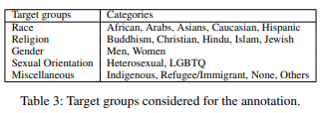
 | Twitter | Gab | Total | %
Hateful | 708 | 5,227 | 5,935 | 29%
Offensive | 2,328 | 3,152 | 5,480 | 27%
Normal | 5,770 | 2,044 | 7,814 | 39%
Undecided | 249 | 670 | 919 | 5%
Total | 9,055 | 11,093 | 20,148

 |  |  |  |  | Target Groups | Categories
 |  |  |  |  | Race | African, Arabs, Asians, Caucasion, Hispanic
 |  |  |  |  | Religion | Buddhism, Christian, Hindu, Islan, Jewish
 |  |  |  |  | Gender | Men, Women
 |  |  |  |  | Sexual Orientation | Heterosexual, LGBTQ
 |  |  |  |  | Miscellaneous | Indigenous, Refugee/Immigrant, None, Others

